Analysis
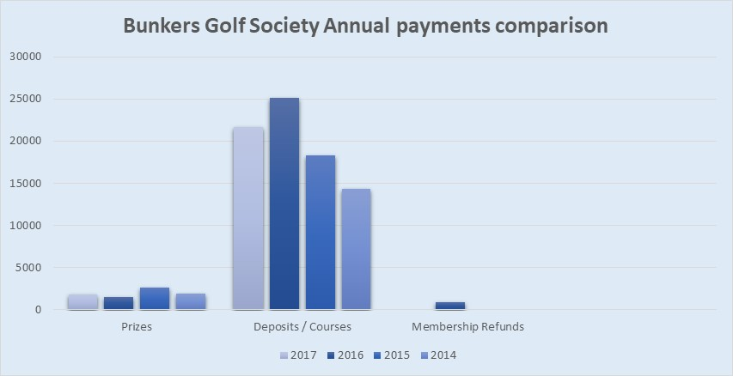

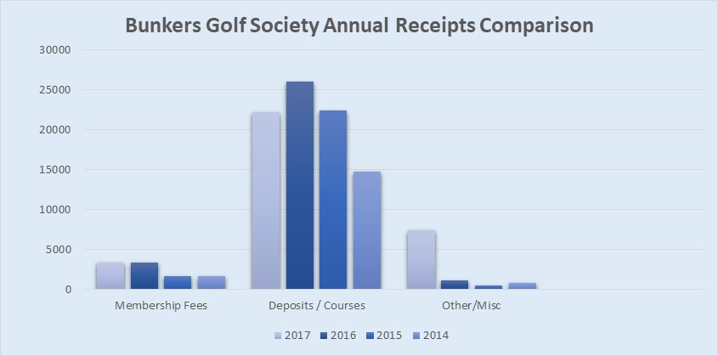

Bunkers Golf Society Receipts 2017 Season
Membership Fees | 3397.5
Deposits / Courses | 22222.38
LMS 2017 | 110
Other/Misc | 7426.19
Late Pmt Fees | 11
Savings | 408.5

Bunkers Golf Society Payments 2017
Prizes | -1803 | -1477.47
Deposits / Courses | -21672.09 | -25149.9
Other/Misc | -9057.59 | -2406.41
Savings Account | -330.5 | -3077.52
 |  | -960

